Overview and Instructions
The Equity Management Tool (EMT)
Compensation Equity Analysis
Created by Sadowski Consulting Services, LLC and Gallagher, Flynn & Company, LLP
As of | 2020-12-31

Overview
Tab | Description
Data Sheet | Requires detailed employee data input in orange cells. The as of date needs to be set at the top of that tab to generate the proper age and tenure calculations.
Definitions | This tab includes all definitions used in the data model and explains the charts on the Analysis Tab.
Analysis | This tab includes summary pivot tables and pivot charts based on the data model to easily see key metrics and composition. It utilizes slicers to filter the tables and charts (see instructions below).

Instructions
Tab | Action Items
Overview | Ensure "As of" date at the top of this tab is populated as this drives age and tenure calculations throughout. | Note: Individuals who are new to using pivot tables may want to see " A Step-to-Step Guide to Chart Building," which should be available wherever you found The Equity Management Tool.
Data Sheet | Input Employee information (orange cells are input cells). Once all information is complete, go to "Data" tab in the Excel ribbon at the top and click "Refresh All" in the Queries & Connections box (this is required to ensure most recent changes are reflected on the Analysis tab). NOTE: The Data Sheet tab is defaulted to two placeholder entries (John Doe and Jane Smith), so override those with actual data and add additional employees in the rows immediately below. The additional input should automatically expand that table with formatting and calculated cells automatically populated.
Analysis | Use the Slicers on the left of the page to filter the tables and charts (all tables and charts on the Analysis tab are set to update based on the Slicers). To select a single filter, click the field you want to see. To see a different single selection, simply click another field in the slicer. To view multiple fields, click a single field, then press CTRL while you select the other fields you want in the filter. To clear the filters, click the icon in the upper right corner of the slicer. The x-axis of each chart is defaulted to Gender as the top level with employee name as a drill down field. To drill down from Gender to Employee name, click the + in the bottom right corner of each chart. To drill back up to Gender, click the - in the bottom right corner of each chart. To change the x-axis field to another category (i.e. race, tenure, performance rating, etc.), click the chart you want to update and follow the below steps:
 | 1. Click the chart you want to update.
 | 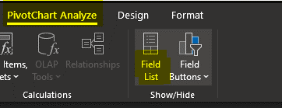 2. Click "PivotChart Analyze" in the Excel ribbon at the top and then click "Field List" (see screenshot).
 | 3. The PivotTable Fields pane will open on the right. In the Axis (Categories) box, you will see the current x-axis fields (defaulted to Gender and Full Name [Gender is the top level axis then Full Name is the drill down axis]). To change this field, click and drag a field from the fields lists and drop into the Axis (Categories) box. Then click the field you no longer want in the x-axis and drag into the fields list. You can add as many drill through layers you want on the x-axis or have a singular axis. You can choose any field from the data set that you wish. Once you update the axis to what you want, your chart will update accordingly and you can close out of the PivotTable Fields pane with the X at the top of that pane. See screen shot below.
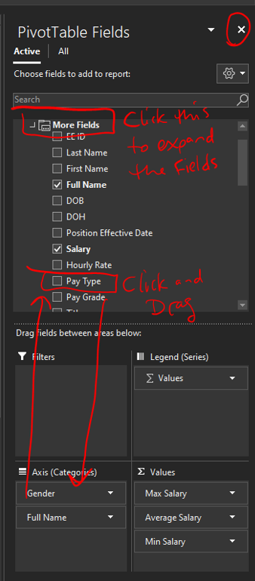

Analysis
Compa Ratio, Ranges
 | Man | Non-Binary | Woman
Jane 1 |  |  | 1.10
Jordan 2 |  | 1.16
John 4 | 1.00
The Equity Management Tool (EMT) |  | # of Employees | Average Salary | Min Compa Ratio | Average Compa Ratio | Max Compa Ratio | Average Position Tenure | Average Company Tenure
Compensation Equity Analysis |  | 3 | $54,333 | 1.00 | 1.09 | 1.16 | 1 | 2
Created by Sadowski Consulting Services, LLC and Gallagher, Flynn & Company, LLP
As of | 2020-12-31 | Title | Gender | Full Name | Average Salary | Average Compa Ratio | Average Position Tenure | Average Company Tenure
 |  | Office | Man | Doe, John | $50,000 | 1.00 | 1 | 4
 |  |  | Non-Binary | Jones, Jordan | $58,000 | 1.16 | 2 | 2
 |  |  | Woman | Smith, Jane | $55,000 | 1.10 | 1 | 1
 |  | Grand Total |  |  | $54,333 | 1.09 | 1 | 2

Salary, Actual Ranges
 | Max Salary | Average Salary | Min Salary
Man | $50,000 | $50,000 | $50,000
Non-Binary | $58,000 | $58,000 | $58,000
Woman | $55,000 | $55,000 | $55,000

Salary, Suggested Range and Actual Average
 | Suggested Max | Average Salary | Suggested Min
Man | $60,000 | $50,000 | $40,000
Non-Binary | $60,000 | $58,000 | $40,000
Woman | $60,000 | $55,000 | $40,000

